Pivot and charts
Payment Mode
Sum of Amount |  |  | Row Labels | Sum of Qty
2144870 |  | ₹ 2,144,870 | Cash | 490
 |  |  | Online | 406
 |  |  | Grand Total | 896

Sum of Qty
896 |  | ₹ 896

Row Labels | Sum of Qty
HDD 256 GB | 111
Keyboard | 113
Monitor | 144
Mouse | 130
Printer | 133
Scanner | 120
SSD 256 GB | 145
Grand Total | 896

 | Last 28 Days | (All)

 | Row Labels | Sum of Qty
 | ABC Traders | 192
 | CCC Mart | 313 |  |  | Row Labels | Sum of Qty
 | RG Store | 214 |  |  | Monitor | 144
 | Grand Total | 719 |  |  | Printer | 133
 |  |  |  |  | SSD 256 GB | 145
 |  |  |  |  | Grand Total | 422

Last 28 Days | (All)

Row Labels | Sum of Qty
01-Jun | 26
02-Jun | 37
03-Jun | 37
04-Jun | 19
05-Jun | 26
06-Jun | 37
07-Jun | 37
08-Jun | 19
09-Jun | 26
10-Jun | 37
11-Jun | 37
12-Jun | 19
13-Jun | 26
14-Jun | 37
15-Jun | 37
16-Jun | 19
17-Jun | 26
18-Jun | 37
19-Jun | 37
20-Jun | 19
21-Jun | 26
22-Jun | 37
23-Jun | 37
24-Jun | 19
25-Jun | 26
26-Jun | 37
27-Jun | 37
28-Jun | 19
29-Jun | 26
30-Jun | 37
Grand Total | 896

Last 28 Days | FALSE

Row Labels | Sum of Qty
Grand Total

Dashboard
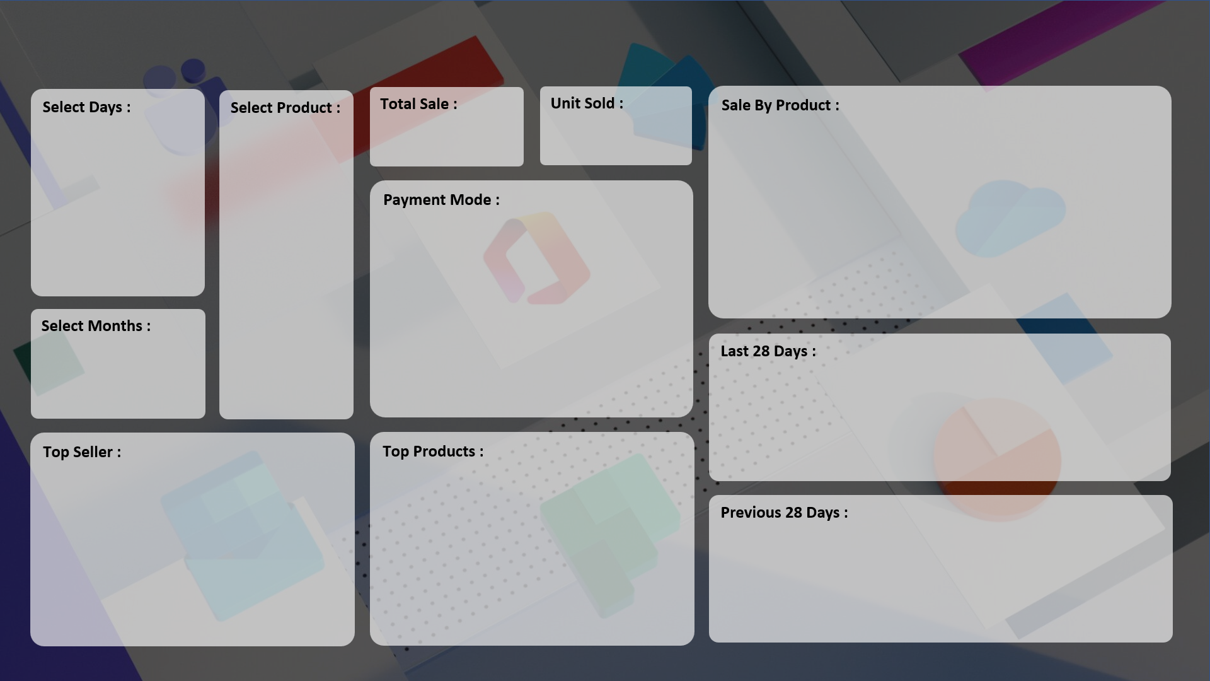

 | Total
HDD 256 GB | 111
Keyboard | 113
Monitor | 144
Mouse | 130
Printer | 133
Scanner | 120
SSD 256 GB | 145
₹ 21,44,870
₹ 896

 | Total
Cash | 490
Online | 406

 | Total
15-Aug | 24
16-Aug | 19
17-Aug | 9
18-Aug | 32
19-Aug | 66
20-Aug | 35
21-Aug | 30
22-Aug | 39
23-Aug | 68
24-Aug | 70
25-Aug | 82
26-Aug | 79
27-Aug | 127
28-Aug | 105
29-Aug | 108
30-Aug | 77
31-Aug | 118
01-Sep | 132
02-Sep | 181
03-Sep | 127
04-Sep | 97
05-Sep | 197
06-Sep | 156
07-Sep | 163
08-Sep | 121
09-Sep | 110
10-Sep | 219
11-Sep | 240

 | Total
ABC Traders | 192
CCC Mart | 313
RG Store | 214
 | Total
ABC Traders | 192
CCC Mart | 313
RG Store | 214

 | Total
18-Jul | 14
19-Jul | 14
20-Jul | 10
21-Jul | 23
22-Jul | 17
23-Jul | 12
24-Jul | 10
25-Jul | 11
26-Jul | 22
27-Jul | 19
28-Jul | 9
29-Jul | 9
30-Jul | 18
31-Jul | 19
01-Aug | 12
02-Aug | 13
03-Aug | 7
04-Aug | 26
05-Aug | 16
06-Aug | 12
07-Aug | 8
08-Aug | 13
09-Aug | 23
10-Aug | 14
11-Aug | 10
12-Aug | 7
13-Aug | 23
14-Aug | 17

